Accel and Vmax
$$d_{t}=3mm or 300 steps$$
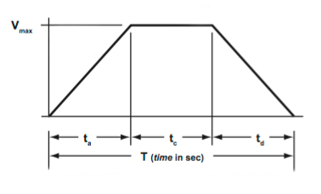
stitches/s | tt | Vmax (m/s) | Vmax (steps/s) | aa or ac (m/s2) | aa or ac (steps/s2)
1 | 1 | 0.0045 | 450 | 0.0135 | 1350
2 | 0.5 | 0.009 | 900 | 0.054 | 5400
$$t_{a}=t_{b}=t_{c}$$
3 | 0.3333333333 | 0.0135 | 1350 | 0.1215 | 12150
4 | 0.25 | 0.018 | 1800 | 0.216 | 21600
$$V_{max}=1.5∗\frac{d_{t}}{t_{t}}$$
5 | 0.2 | 0.0225 | 2250 | 0.3375 | 33750
6 | 0.1666666667 | 0.027 | 2700 | 0.486 | 48600
7 | 0.1428571429 | 0.0315 | 3150 | 0.6615 | 66150
8 | 0.125 | 0.036 | 3600 | 0.864 | 86400
$$a=4.5∗\frac{d_{t}}{t_{t}}$$
9 | 0.1111111111 | 0.0405 | 4050 | 1.0935 | 109350
10 | 0.1 | 0.045 | 4500 | 1.35 | 135000

 |  |  |  |  |  | Formulas and image: https://www.linearmotiontips.com/how-to-calculate-velocity/

